Triangle - Smoothed DSG
Problem setup.
Clamped along left edge, surface pressure
 |  |  | p2

 |  |  |  |  |  | p3

 |  |  | p1

Node order 1: p3, p2, p1
Smoothed DSG |  |  |  |  | Original DSG
Z-disp = | -0.5 |  |  |  | Z-disp = | -0.5
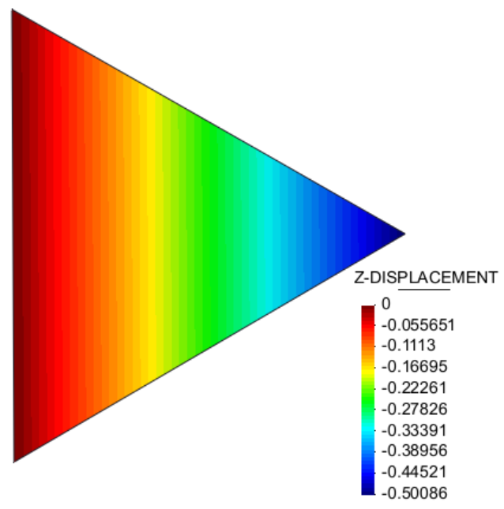
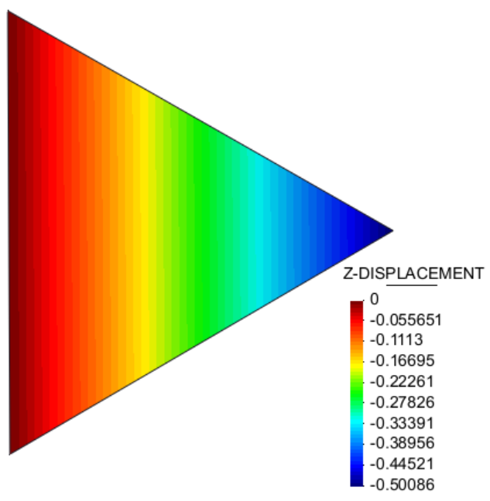

Node order 2: p2, p1, p3
Smoothed DSG |  |  |  |  | Original DSG
Z-disp = | -0.5 |  |  |  | Z-disp = | -0.8

Node order 3: p1, p3, p2
Smoothed DSG |  |  |  |  | Original DSG
Z-disp = | -0.5 |  |  |  | Z-disp = | -0.8
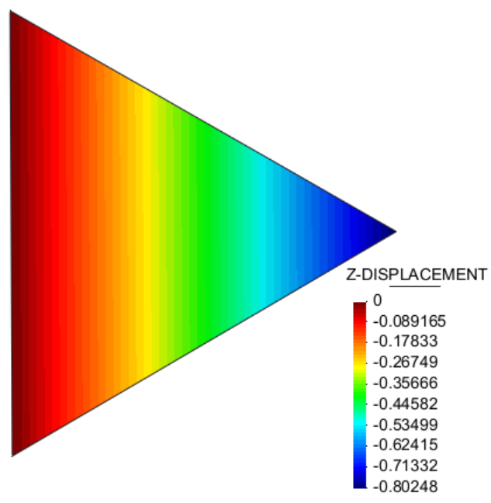

Scordelis Lo Roof structured mesh
All done with corotated formulation
Reference solution |  |  | -0.3024 |  |  | Percentage of reference
Refinement level | Nodes | Elements | Original DSG | smoothedDSG | Ref | Original DSG | smoothedDSG | Ref | Elements | Original DSG | Smooth | Ref
1 |  | 64 | -0.26 | -0.26 | -0.30 | 86.07% | 84.51% | 1.00 | 64 | -0.26028 | -0.25555490057 | -0.30
2 |  | 256 | -0.28 | -0.28 | -0.30 | 93.96% | 93.26% | 1.00 | 256 | -0.28413 | -0.28202154204 | -0.30
2_5 |  | 560 | -0.30 | -0.30 | -0.30 | 97.78% | 97.85% | 1.00 | 560 | -0.29569 | -0.29589822483 | -0.30
3 |  | 1024 | -0.30 | -0.30 | -0.30 | 98.11% | 97.78% | 1.00 | 1024 | -0.29668 | -0.29568823309 | -0.30
Scordelis Lo Roof structured mesh

Pinched Hemisphere
All done with corotated formulation
Reference solution |  |  | 0.0924 |  |  | Percentage of reference
Refinement level | Nodes | Elements | Original DSG | smoothedDSG | Ref | Original DSG | smoothedDSG | Ref | Elements | Original DSG | Smooth | Ref
1 |  | 64 | 0.0887 | 0.0940 | 0.0924 | 96.03% | 101.76% | 100.00% | 64 | 0.088733 | 0.094025936099 | 0.09
2 |  | 256 | 0.0905 | 0.0924 | 0.0924 | 97.96% | 100.02% | 100.00% | 256 | 0.090512 | 0.092415568317 | 0.09
3 |  | 1024 | 0.0906 | 0.0913 | 0.0924 | 98.08% | 98.76% | 100.00% | 1024 | 0.090622 | 0.091257831168 | 0.09
4 |  | 1600 | 0.0898 | 0.0902 | 0.0924 | 97.17% | 97.65% | 100.00% | 1600 | 0.089784 | 0.090225875834 | 0.09

Pinched Hemisphere

Pinched cylinder
All done with corotated formulation
Reference solution |  |  | -1.82E-05 |  |  | Percentage of reference
Refinement level | Nodes | Elements | Original DSG | smoothedDSG | Ref | Original DSG | smoothedDSG | Ref | Elements | Original DSG | Smooth | Ref
1 |  | 192 | -1.31E-05 | 0.0000 | -0.000018248 | 72.06% | 71.89% | 100.00% | 192 | -0.00001314900 | -0.00001311872 | -0.00001824800
2 |  | 384 | -1.55E-05 | 0.0000 | -0.000018248 | 85.20% | 86.24% | 100.00% | 384 | -0.00001554700 | -0.00001573709 | -0.00001824800
3 |  | 768 | -1.63E-05 | 0.0000 | -0.000018248 | 89.43% | 90.62% | 100.00% | 768 | -0.00001632000 | -0.00001653668 | -0.00001824800
4 |  | 2048 | -1.78E-05 | 0.0000 | -0.000018248 | 97.67% | 97.50% | 100.00% | 2048 | -0.00001782300 | -0.00001779125 | -0.00001824800

